2D LIM
2D COMMANDS

 | mandatory
 | not mandatory, will follow default value (see "2D comment") if no fill up
 | system return value

FORMAT
CREATE_LAYER | Name | Line Style | Color
 |  | 1
CREATE_TEXT_STYLE | Name | Text Height | Font Name | Width Factor
CREATE_DIM_STYLE | Name | Text Style | A,B,C,D,E,F,G,H,I,J,K,L | Text Color | Line Color
SET_ACTIVE_LAYER | Name
SET_ACTIVE_TEXT_STYLE | Name
SET_ACTIVE_DIM_STYLE | Name
SET_DEFAULT_LAYER
SET_DEFAULT_TEXT_STYLE
SET_DEFAULT_DIM_STYLE

INSERT
IMAGE | File name | X | Y | Scale

REPEAT
REPEAT | Start Row | End Row | Origin X | Origin Y | Offset X | Offset Y | Count | Max Width | Max Height | Centralized
REPEAT_ABS | Start Row | End Row | Count | Current Count
REC_ARRAY | Start Row | End Row | Row Count | Column Count | Row Distance | Column Distance

BOUNDARY
BOUNDARY | left | right | top | bottom
BOUNDARY_ARRAY | Start Object Row | End Object Row | left | right | top | bottom
BOUNDARY_TAG | Object Row | tag name | left | right | top | bottom
BOUNDARY_OBJ | Object Row | left | right | top | bottom
BOUNDARY_INSERT_POINT | Object Row | X | Y

BLOCK
BLOCK_FILE | File Name | Ratio X | Ratio Y | X | Y | left | right | top | bottom
BLOCK | File Name | Ratio X | Ratio Y | X | Y | height | width
BLOCK_FILE_LANGUAGE | File Name | Ratio X | Ratio Y | X | Y | left | right | top | bottom
BLOCK_LANGUAGE | File Name | Ratio X | Ratio Y | X | Y | height | width
CREATE_BLOCK | File Name
BLOCK_OBJ | Start Row | End Row | Block Name | Ratio X | Ratio Y | X | Y
MOVE_OBJ | Object Row | X | Y
MOVE_GRP | Start Row | End Row | From X | From Y | To X | To Y
REMOVE_OBJ | Object Row | tag name
REMOVE | Object Row
RATIO | Object Row | Ratio X | Ratio Y
MOVE_BLOCK_TAG | Object Row | Tag Name | X | Y
MOVE_BLOCK | Object Row | Block Name | X | Y
BLOCK_DIM | Object Row | Dim Text Height | Arrow Size

DRAW
RECT | X | Y | Width | Height | Thickness | Line Style | Color | Degree Rotation | Line Type Scale
LINE | X1 | Y1 | X2 | Y2 | Thickness | Line Style | Color | Line Type Scale | Degree of Rotation
ARC | Center X | Center Y | Radius | Start Angle | End Angle | Thickness | Line Style | Color | Line Type Scale
CIRCLE | Center X | Center Y | Radius | Thickness | Line Style | Color | Line Type Scale
POLYLINE | X1,Y1,X2,Y2,… | Thickness | Line Style | Color | LineT ype Scale
LEADER | X1,Y1,X2,Y2,… | Thickness | Line Style | Color | Arrow Size | Leader Type | Text Is Above | Text Offset | MTEXT | Line Type Scale
TEXT | X | Y | Text Height | Hor Align | Vert Align | Rotation | Width Factor | Bold | Underline | Color | String
MTEXT | X | Y | Text Height | Hor Align | Vert Align | Rotation | Box Width | Line Spacing Factor | Line Spacing Style | Color | String
HATCH | Object Row | Hatch Style | Fill Color | Back Color | Angle | Scale | Block Name | Pattern Name | Draw Boundary

SPECIAL DRAW
DIM_LEADER_TEXT | X1 | Y1 | X2 | Y2 | X/Y Bend 1 | X/Y Bend 2 | X Ref | Y Ref | Offset | Text offset | Decimal | Text Height | Spacing | Color | Text Color
DIM_LEADER_TEXT_REPEAT | X1 | Y1 | X2 | Y2 | X/Y Bend 1 | X/Y Bend 2 | X Ref | Y Ref | Count | Current Count | Offset | Text offset | Decimal | Text Height | Spacing | Color | Text Color

BENDING_NOTCH | H | W | X | Y | Rotation | Thickness | Line Style | Color | Line Type Scale
OBLONG | W | H | X | Y | Rotation | Thickness | Line Style | Color | Line Type Scale | Draw Center Mark
LINE_ARC_LINE | H | W | R | X | Y | Rotation | Thickness | Line Style | Color | Line Type Scale
L_SHAPED | H | W | T | R1 | R2 | X | Y | Rotation | Thickness | Line Style | Color | Line Type Scale
C_LINE | H1 | W1 | W2 | R | X | Y | Rotation | Thickness | Line Style | Color | Line Type Scale
C_SHAPED | H1 | W1 | W2 | T | R1 | R2 | X | Y | Rotation | Thickness | Line Style | Color | Line Type Scale
OMEGA_LINE | H1 | H2 | H3 | W1 | W2 | R1 | R2 | X | Y | Rotation | Thickness | Line Style | Color | Line Type Scale
OMEGA_SHAPED | H1 | H2 | H3 | W1 | W2 | T | R1 | R2 | X | Y | Rotation | Thickness | Line Style | Color | Line Type Scale
Z_LINE | H1 | W1 | W2 | R1 | R2 | X | Y | Rotation | Thickness | Line Style | Color | Line Type Scale
Z_SHAPED | H1 | W1 | W2 | T | R1 | R2 | X | Y | Rotation | Thickness | Line Style | Color | Line Type Scale
L_NOTCH_1 | H | W | BN_H | BN_W | X | Y | Rotation | Thickness | Line Style | Color | Line Type Scale
L_NOTCH_2 | H | W | BN_H | BN_W | X | Y | Rotation | Thickness | Line Style | Color | Line Type Scale
L_NOTCH_3 | H | W | BN_R | X | Y | Rotation | Thickness | Line Style | Color | Line Type Scale

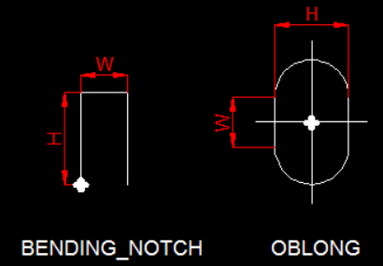
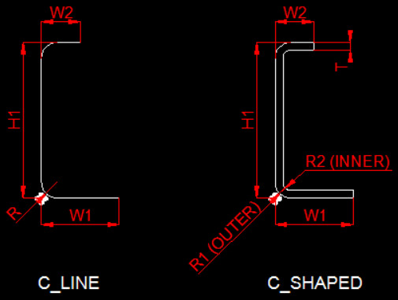
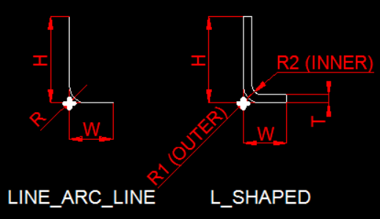
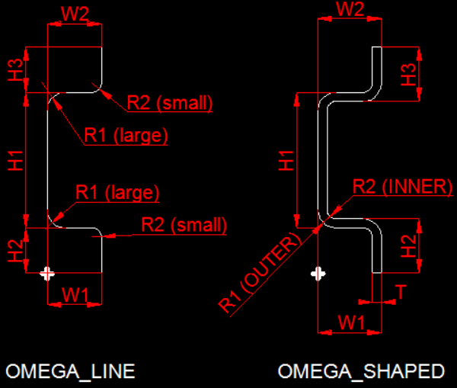
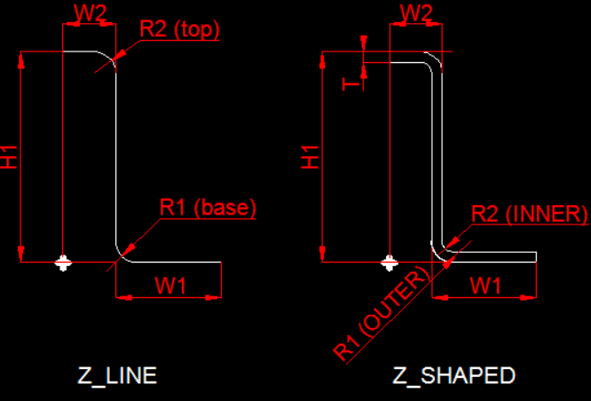
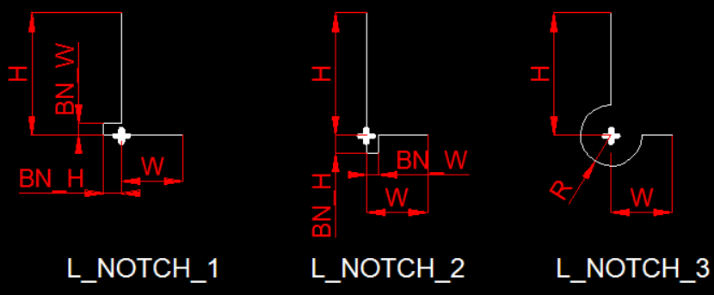

DIMENSION
DIM_ROTATE | X1 | Y1 | X2 | Y2 | Pos X | Pos Y | String | A,B,C,D,E,F,G,H,I,J,K,L | TEXT POS X | TEXT POS Y | Object Row | Text Color | Color
DIM | X1 | Y1 | X2 | Y2 | Pos X | Pos Y | String | A,B,C,D,E,F,G,H,I,J,K | TEXT POS X | TEXT POS Y | Object Row | Text Color | Color
DIM_DIA | X1 | Y1 | X2 | Y2 | Pos X | Pos Y | String | A,B,C,D,E,F,G,H,I,J,K | TEXT POS X | TEXT POS Y | Object Row | Text Color | Color
DIM_ANGLE | X1 | Y1 | X2 | Y2 | X3 | Y3 | Pos X | Pos Y | String | A,B,C,D,E,F,G,H,I,J,K | TEXT POS X | TEXT POS Y | Object Row | Text Color | Color
DIM_TAG_MODIFY | Object Row | Tag Name | X1 | Y1 | X2 | Y2
DIM_TAG | Object Row | Tag Name | DIM TEXT

MODIFY
MIRROR | Start Row | End Row | Start X | Start Y | End X | End Y | Duplicate | X1 | Y1 | X2 | Y2 | X3 | Y3 | X4 | Y4
EDIT_BLOCK_TAG_TEXT | Object Row | Tag Name | Text
EDIT_CBLOCK_TAG_TEXT | File Name | Tag Name | Text

Hatch pattern name
